Correlation Examples
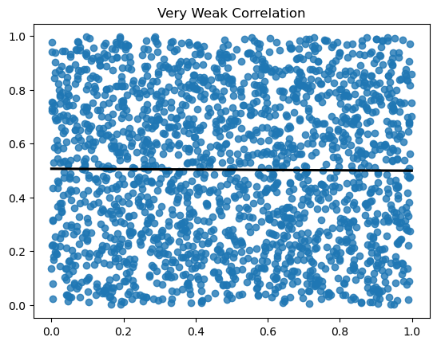
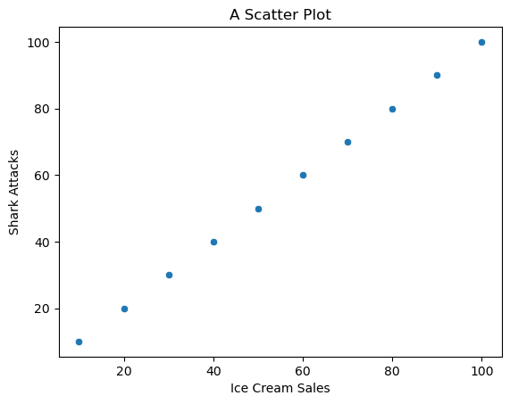
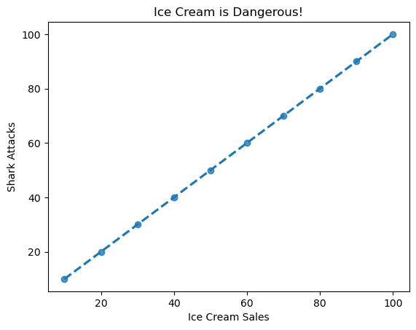
Ice Cream Sales | Shark Attacks
10 | 10
20 | 20
30 | 30
40 | 40
50 | 50
60 | 60
70 | 70
80 | 80
90 | 90
100 | 100

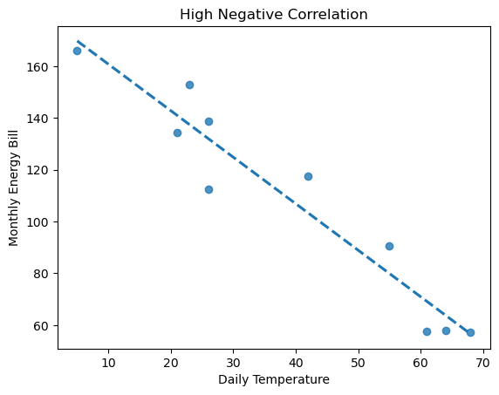
Daily Temperature | Monthly Energy Bill
61 | 57.49
68 | 57.33
64 | 57.88
55 | 90.62
42 | 117.52
26 | 138.58
23 | 152.78
21 | 134.49
5 | 165.96
26 | 112.43

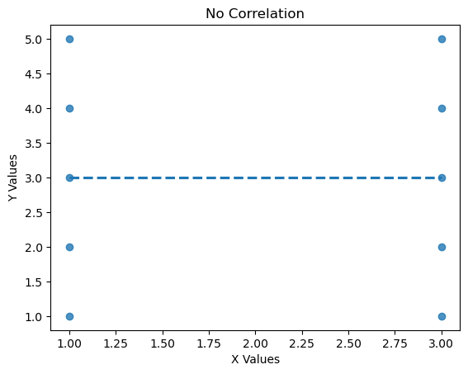
X Values | Y Values
3 | 1
1 | 1
3 | 2
1 | 2
3 | 3
1 | 3
3 | 4
1 | 4
3 | 5
1 | 5

Correlation Analysis
Load Data & Perform Feature Engineering

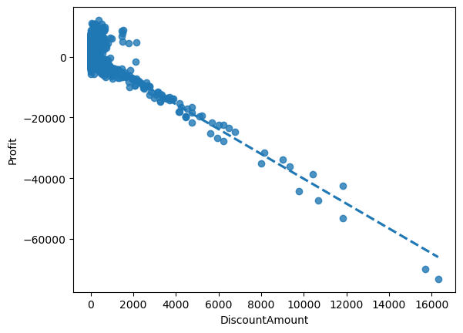
Scatter Plot of Profits by DiscountAmount

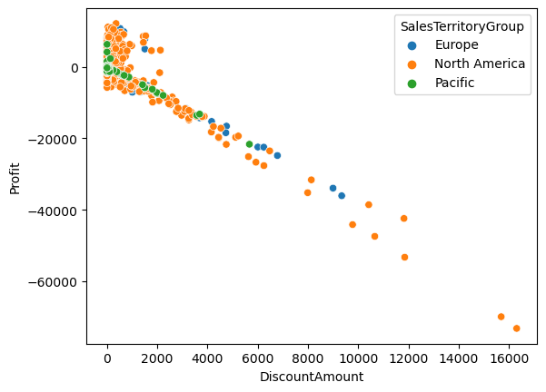
Scatter Plot of Profits by DiscountAmount & Sales Territory Group

