Python Code
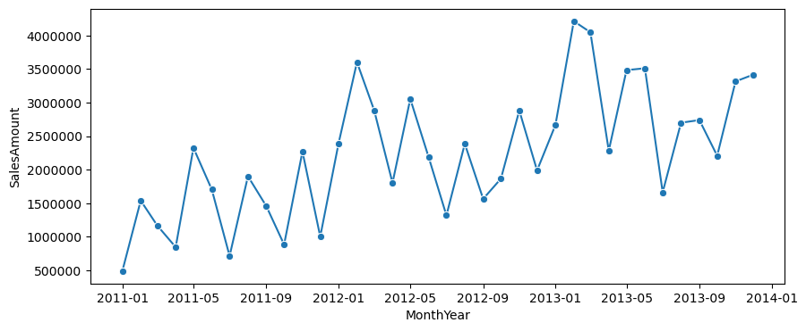
Load Data
Your First Line Chart

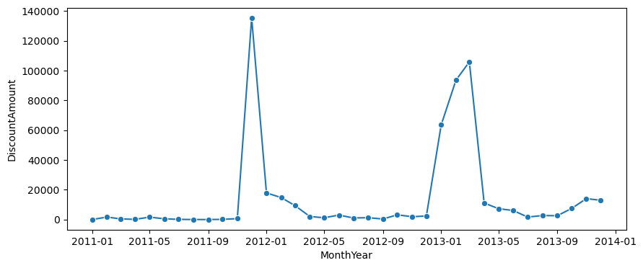
Discounts Over Time

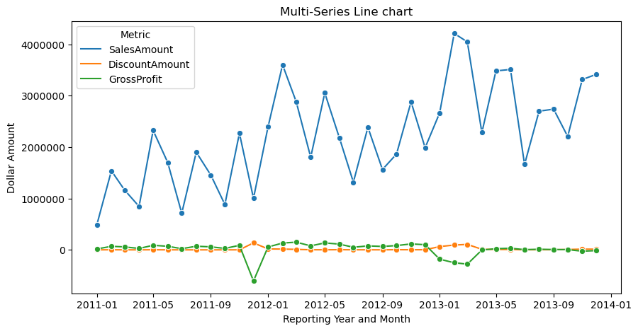
Melting the Sales Data
A Multi-Series Line Chart

